Cluster Insights
Variable | Insights/Findings | Visualization | Unique Clusters | Marketing Recommendations
PostalCode | 1. PostalCode vs BaseFareAmt vs AgeGroup |  | 1. In Code 55311 -> 35-54 is spent the most, and then 0-17, -> 18-24 is the least | 1. Accoring to the graph shows, I conclude that in 55311, there are "family" type of customer. Therefore, we can promote the bundle tickets to them. Like, 4 people get one discounts, and also cooperate with cartoon character, like Pokemon, Spongebob...etc.
 | 2. Postal Code vs GenderCode vs Cluster |  | 2. In Code 55311 -> Female > Male -> No cluster 0 from 55311 -> Cluster 3 spent most | 1. For 55311, female are spent much more than male. we might promote more female things, like jewels, makeup, luxury clothes
BkdClassOfService | Coach |  | nothing unique
TrvlClassOfService | Coach |  | nothing unique
BookingChannel | 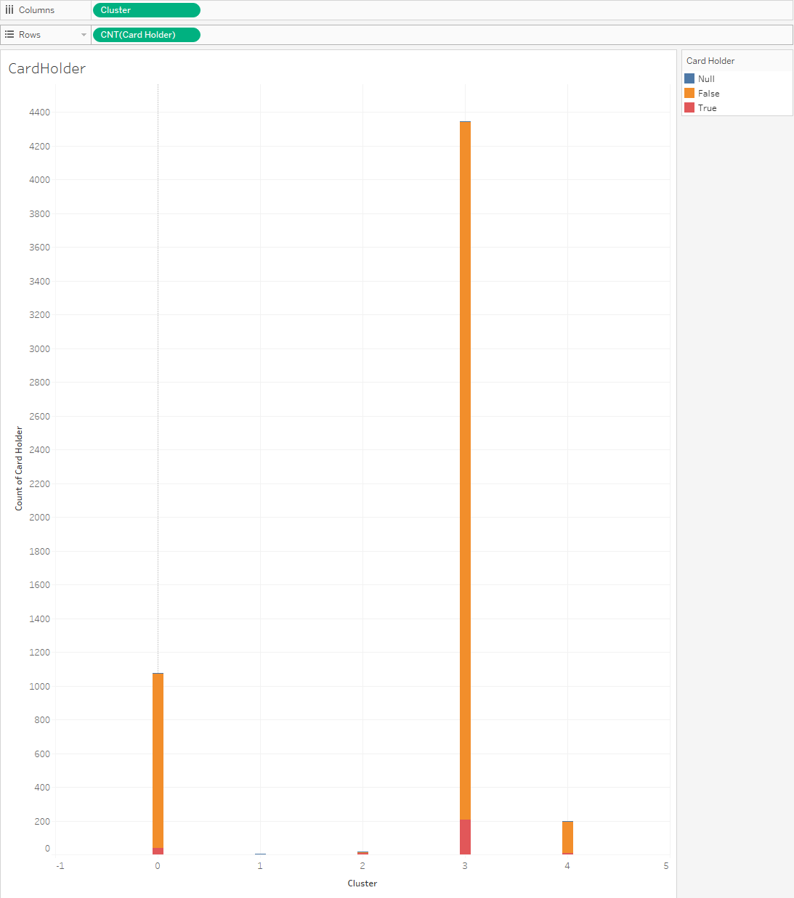 1. For Cluster 2: Biggest proportion of old people (Age Group)- this cluster only uses the "Other Booking" BookingChannel |  | Cluster 2: Old people who do not use digital booking channels | Cluster 2 -Reach these customers via non-digital marketing channels such as mailbox fliers/vouchers.
UflyMemberStatus | 1. For Cluster 2 & 3: Biggest proportions of non-ufly members Cluster 1: 7,475 non-ufly members Cluster 2: 7.117 non-ufly members | 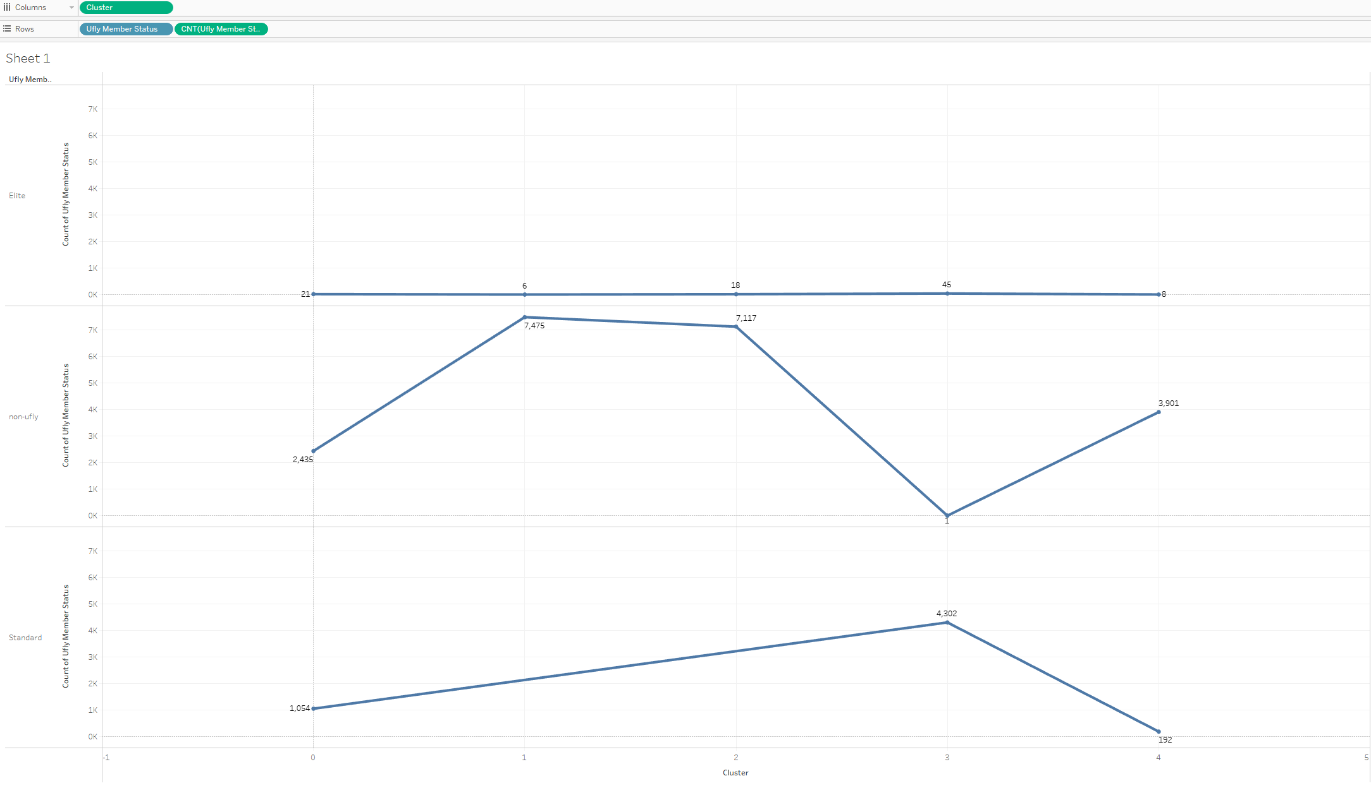 | Cluster 1: Cluster 2: | Cluster 1 & 2 Target these groups and develop programs to incentivize them to join the ufly rewards program Targeted Enrollment Offers: Develop special offers or bonuses for non-loyalty program fliers in groups 1 and 2. For example, offer a significant number of bonus points or a free upgrade for signing up. Ensure the offer is compelling enough to make the enrollment worthwhile. Exclusive Promotions: Run targeted campaigns offering temporary perks for joining the loyalty program. These could include discounts on future flights, additional baggage allowance, or access to premium services.
CardHolder | 1. For Cluster 0 & 3: Biggest proportions of non-cardholders Cluster 0: 1,036 non-cardholders Cluster 3: 4,139 non-cardholders |  | Cluster 0: Cluster 3: | Cluster 0 & 3 Implement marketing campaigns designed to convert specific non-cardholders (from Minnesotta/that fly into Minessota) into Sun Country credit card holders Targeted Marketing Campaigns: Develop tailored marketing campaigns aimed at converting non-credit card holders in these groups into airline-branded credit card users. Highlight the benefits of the card, such as earning frequent flyer miles, priority boarding, and exclusive perks. Incentives and Bonuses: Offer special incentives, such as bonus miles or discounted flights, for customers who sign up for the credit card. Consider introducing limited-time promotions to create a sense of urgency. Educational Content: Provide information on how the credit card can enhance their travel experience. Use targeted emails, social media ads, or personalized offers to educate these customers on the benefits and features of the card.
StopoverCode | 1. For Clusters 1 & 2: Biggest counts of "O" stopover code Cluster 1: 3,273 layovers Cluster 2: 4,175 layovers 2. For Cluster 2 & 4: Particularly big count of "X" stopover code Cluster 4: 490 stopovers | 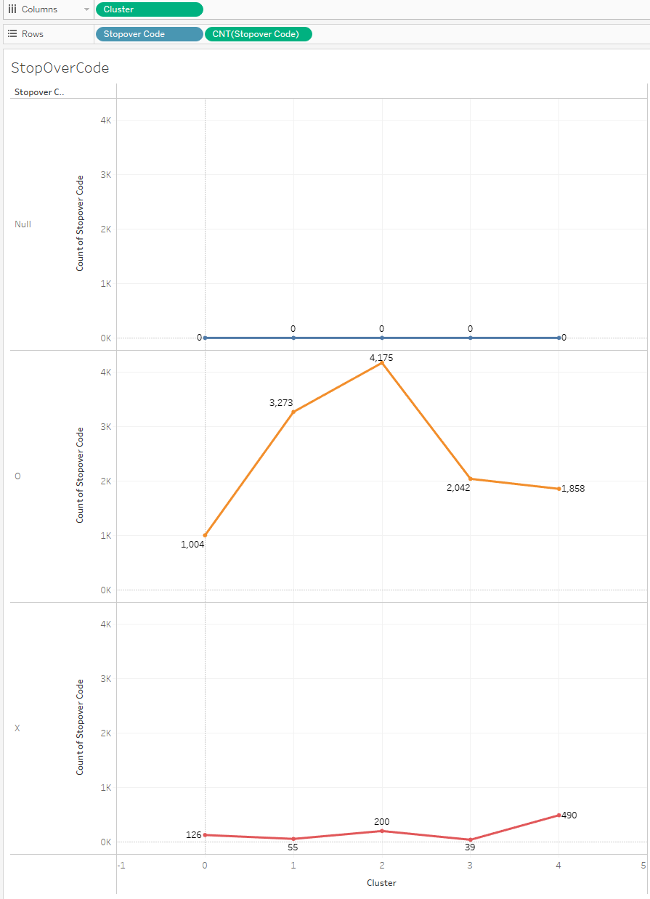 | Cluster 1& 2: High counts of layovers Cluster 4: High count of stopovers | Clusters 1 & 2 Increase program and product advertising at layover terminals Advertising and Sponsorships: Use layover times to promote ads or sponsor events at airports. This can be a source of additional revenue and can enhance the overall travel experience by providing entertainment or information to passengers. Cluster 2 & 4 Implement stopover programs Stopover Programs: Implement or enhance stopover programs to attract travelers who might want to explore the stopover city. Airlines can offer discounted or bundled packages that include accommodation, city tours, or activities. Partnering with local tourism boards and businesses can also provide additional revenue streams and attract more passengers.
true_origin | https://ucirvine-my.sharepoint.com/:w:/r/personal/vynn7_ad_uci_edu/_layouts/15/Doc.aspx?sourcedoc=%7BB0DD9AAF-1C4F-41DD-9788-91A1168F9A1F%7D&file=Cluster%20analysis%20for%20destinations.docx&action=default&mobileredirect=true
final_destination | https://ucirvine-my.sharepoint.com/:w:/r/personal/vynn7_ad_uci_edu/_layouts/15/Doc.aspx?sourcedoc=%7BB0DD9AAF-1C4F-41DD-9788-91A1168F9A1F%7D&file=Cluster%20analysis%20for%20destinations.docx&action=default&mobileredirect=true | Picture
true_destination | https://ucirvine-my.sharepoint.com/:w:/r/personal/vynn7_ad_uci_edu/_layouts/15/Doc.aspx?sourcedoc=%7BB0DD9AAF-1C4F-41DD-9788-91A1168F9A1F%7D&file=Cluster%20analysis%20for%20destinations.docx&action=default&mobileredirect=true | Picture
round_trip | https://ucirvine-my.sharepoint.com/:w:/r/personal/vynn7_ad_uci_edu/_layouts/15/Doc.aspx?sourcedoc=%7BB0DD9AAF-1C4F-41DD-9788-91A1168F9A1F%7D&file=Cluster%20analysis%20for%20destinations.docx&action=default&mobileredirect=true
group | - Cluster 0 and 3 have fairly equal proportion of solo and group travelers - Cluster 1 and 2 have a majority customers flying in group - Cluster 4's customers primarily fly alone |  |  | - Focus on marketing solo travel packages for Cluster 4: exclusive offers for individual bookings, and services that cater to independent travelers such as flexibility in flight changes, priority boarding, and private lounges - Develop group-oriented promotions for Cluster 1 and Cluster 2: discounts for group bookings, family packages, loyalty programs for families and friends traveling together, group travel amenities, like larger seating arrangements and extra luggage options
seasonality | - Cluster 0,4 most willing to pay in Q3, least in Q1 => summer travelers - Cluster 1,2,3 flies most in Q1 and Q4, spends fairly equal budgets for flights through seasons => winter and spring travelers |  |  | Cluster 0 & 4 Develop marketing campaigns for popular Summer destinations that Sun Country flies to Summer Destinations include: RSW (Fort Myers) LAS (Las Vegas) CUN (Cancún) STT (St. Thomas) MCO (Orlando) PUJ (Punta Cana) SJD (Los Cabos) MBJ (Montego Bay) PVR (Puerto Vallarta) LIR (Costa Rica) SXM (St. Maarten) Cluster 1, 2, & 3 Develop marketing campaigns for popular Winter & Spring destinations that Sun Country flies to Winter & Spring Destinations include: Winter: CUN - Cancún International Airport (Cancún, Mexico) PUJ - Punta Cana International Airport (Punta Cana, Dominican Republic) SJD - Los Cabos International Airport (San José del Cabo, Mexico) MBJ - Sangster International Airport (Montego Bay, Jamaica) MIA - Miami International Airport (Miami, FL) HRL - Valley International Airport (Harlingen, TX) SJU - Luis Muñoz Marín International Airport (San Juan, Puerto Rico) Spring: RSW - Southwest Florida International Airport (Fort Myers, FL) SAN - San Diego International Airport (San Diego, CA) LAS - McCarran International Airport (Las Vegas, NV) TPA - Tampa International Airport (Tampa, FL) PSP - Palm Springs International Airport (Palm Springs, CA) SEA - Seattle-Tacoma International Airport (Seattle, WA)
days_pre_booked | - Cluster 0 and 4's customers tend to book closer to the flight date (cluster 4 may have business travelers) - Cluster 3 has the most significant variation in booking days prior to flights. Customers tend to book around 100 days in advance, or even months before |  |  | Cluster 0 and 4: Implement last-minute booking promotions or flexible fare options to cater to customers who book closer to the flight date. Cluster 3: Develop discounts for early booking

GenderCode
BaseFareAmt
age_group

